Sheet1
-Home(Link) -Directory(Link)
-Leave(Link)
-Announcements(Link)
-Profile(Button)
-Your profile(Link)
- Logout(button)
-Go to home on click
-Go to directrory on click
-Go to leave request on click
-Go to announcement on click
-Dropdown profile button on click
-See,update profile info from your profile link under profile button
-Logout button under dropdown profile button
-Go to sign in page clicking on logout
-Profile button holds the picture of a the user logged in which will be fetched from database
-Show a picture with welcome text
-Welcome text contains the user name which will fetched from the database/ session.
-Shows the team member fetching details from database
-A quick action pannel with icons and the links of ther pages. Go to these pages on click
Phase | Item No | Specification [Role] | User Story | Acceptance Criteria | UI Screen / Wireframe | Tags
Feature: 2 |  | Dashboard
phase 1 | 1 | Dashboard [Employee] |  |  | 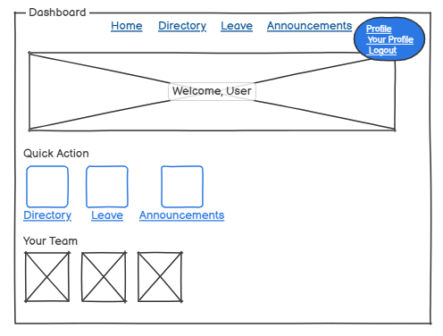 | dashboard

